OCRAW PRICING
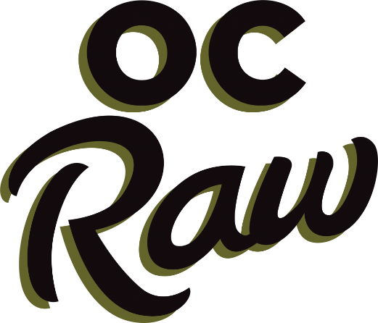
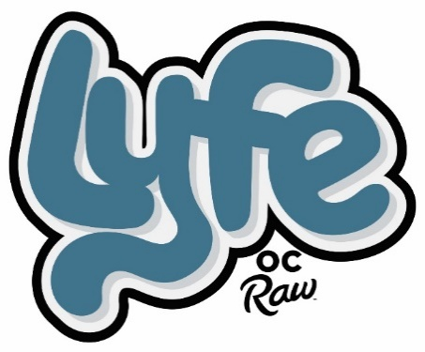

2026-04-23 | https://ocraw.com/
PART # | DESCRIPTION | QTY | UPC | CASE QTY | SUGGESTED WHOLESALE | EXTENDED COST
OCL01 | OC Lyfe Belly Rub 6.3oz 27333 |  | 707331273331 | 18 | $9.00 | $-
OCL02 | OC Lyfe Chill 6.3oz 27334 |  | 707331273348 | 18 | $9.00 | $-
OCL03 | OC Lyfe Keep It Hip 6.3oz 27335 |  | 707331273355 | 18 | $9.00 | $-
OCL04 | OC Lyfe Fluff It 6.3oz 27336 |  | 707331273362 | 18 | $9.00 | $-
OCL05 | OC Lyfe Power Cookie PB Banana & Yogurt 2.3oz 27372 |  | 707331273720 | 30 | $4.20 | $-
OCL06 | OC Lyfe Power Cookie PB Banana & Yogurt 12oz 27382 |  | 707331273829 | 8 | $12.66 | $-
OCL07 | OC Lyfe Power Cookie Berries & Flax 2.3oz 27373 |  | 707331273737 | 30 | $4.20 | $-
OCL08 | OC Lyfe Power Cookie Berries & Flax 12oz 27383 |  | 707331273836 | 8 | $12.66 | $-
OCL09 | OC Lyfe Power Cookie Pumpkin & Chia 2.3oz 27374 |  | 707331273744 | 30 | $4.20 | $-
OCL10 | OC Lyfe Power Cookie Pumpkin & Chia 12oz 27384 |  | 707331273843 | 8 | $12.66 | $-
OCL11 | OC Lyfe Power Cookie Eggs & Spinach 2.3oz 27375 |  | 707331273751 | 30 | $4.20 | $-
OCL12 | OC Lyfe Power Cookie Eggs & Spinach 12oz 27385 |  | 707331273850 | 8 | $12.66 | $-
OCL13 | OC Lyfe Power Powder Mushroom Boost 4.5oz 27392 |  | 707331273928 | 40 | $10.33 | $-
OCL14 | OC Lyfe Power Powder Antioxidant Boost 4.5oz 27393 |  | 707331273935 | 40 | $10.33 | $-
OCL15 | OC Lyfe Power Powder Veggie Boost 4.5oz 27394 |  | 707331273942 | 40 | $10.33 | $-
OCL16 | OC Lyfe Power Powder Omega Boost 4.5oz 27395 |  | 707331273959 | 40 | $10.33 | $-
OCL17 | OC Lyfe HydroLyfe Antioxidant Boost 6.35oz 27401 |  | 707331274017 | 18 | $8.67 | $-
 | FROZEN RAW DIETS
OCR02 | OC Raw Meaty Rox Chicken & Produce 3lb 16075 |  | 753182160757 | 10 | $15.33 | $-
OCR03 | OC Raw Meaty Rox Chicken & Produce 7lb 85274 |  | 95225852749 | 4 | $29.33 | $-
OCR04 | OC Raw Meaty Rox Chicken Fish & Produce 3lb 06917 |  | 22099069171 | 10 | $15.33 | $-
OCR05 | OC Raw Meaty Rox Chicken Fish & Produce 7lb 85275 |  | 95225852756 | 4 | $29.33 | $-
OCR06 | OC Raw Meaty Rox Beef & Produce 3lb 16077 |  | 753182160771 | 10 | $16.67 | $-
OCR07 | OC Raw Meaty Rox Beef & Produce 7lb 85273 |  | 95225852732 | 4 | $34.67 | $-
OCR08 | OC Raw Meaty Rox Turkey & Produce 3lb 06919 |  | 22099069195 | 10 | $16.67 | $-
OCR09 | OC Raw Meaty Rox Turkey & Produce 7lb 85276 |  | 95225852763 | 4 | $34.67 | $-
OCR10 | OC Raw Meaty Rox Fish & Produce 3lb 06910 |  | 22099069102 | 10 | $19.33 | $-
OCR11 | OC Raw Meaty Rox Fish & Produce 7lb 85278 |  | 95225852787 | 4 | $37.33 | $-
OCR12 | OC Raw Meaty Rox Lamb & Produce 3lb 16079 |  | 753182160795 | 10 | $23.33 | $-
OCR13 | OC Raw Meaty Rox Lamb & Produce 7lb 85277 |  | 95225852770 | 4 | $49.33 | $-
OCR14 | OC Raw Meaty Rox Rabbit & Produce 3lb 06905 |  | 22099069058 | 10 | $28.00 | $-
OCR141 | OC Raw Meaty Rox Rabbit & Produce 7lb 85279 |  | 95225852794 | 4 | $56.00 | $-
OCR15 | OC Raw Meaty Rox Duck 3lb 06911 |  | 22099069119 | 10 | $20.00 | $-
OCR151 | OC Raw Meaty Rox Duck 7lb 06913 |  | 22099069133 | 4 | $40.00 | $-
OCR20 | OC Raw Totally Beef Meaty Rox 2lb 85259 |  | 95225852596 | 14 | $10.67 | $-
OCR21 | OC Raw Totally Turkey Meaty Rox 2lb 85260 |  | 95225852602 | 14 | $12.00 | $-
OCR22 | OC Raw Totally Rabbit Meaty Rox 2lb 85261 |  | 95225852619 | 14 | $18.00 | $-
OCR25 | OC Raw Pumpkin Rox 2lb 85282 |  | 95225852824 | 14 | $5.67 | $-
OCR41 | OC Raw Duck & Produce Mini Patties 4lb 06912 |  | 22099069126 | 8 | $26.67 | $-
OCR42 | OC Raw Duck & Produce Patty 6lb 06920 |  | 22099069201 | 6 | $36.00 | $-
OCR43 | OC Raw Duck & Produce Bulk 18lb 06914 |  | 22099069140 | 1 | $97.33 | $-
OCR49 | OC Raw Chicken & Produce Mini Patties 4lb 85263 |  | 95225852633 | 8 | $20.00 | $-
OCR50 | OC Raw Chicken & Produce Patty 6lb 06921 |  | 22099069218 | 6 | $26.67 | $-
OCR501 | OC Raw Chicken & Produce Bulk Patties 18lb 06929 |  | 22099069294 | 1 | $68.00 | $-
OCR51 | OC Raw Chicken Fish & Produce Mini Patties 4lb 85264 |  | 95225852640 | 8 | $20.00 | $-
OCR52 | OC Raw Chicken Fish & Produce Patty 6lb 06922 |  | 22099069225 | 6 | $26.67 | $-
OCR521 | OC Raw Chicken Fish & Produce Bulk 18lb 06930 |  | 22099069300 | 1 | $68.00 | $-
OCR53 | OC Raw Beef & Produce Mini Patties 4lb 85262 |  | 95225852626 | 8 | $22.67 | $-
OCR54 | OC Raw Beef & Produce Patty 6lb 06924 |  | 22099069249 | 6 | $30.67 | $-
OCR541 | OC Raw Beef & Produce Bulk Patties 18lb 06932 |  | 22099069324 | 1 | $81.33 | $-
OCR55 | OC Raw Turkey & Produce Mini Patties 4lb 85265 |  | 95225852657 | 8 | $21.33 | $-
OCR56 | OC Raw Turkey & Produce Patty 6lb 06923 |  | 22099069232 | 6 | $30.67 | $-
OCR561 | OC Raw Turkey & Produce Bulk Patties 18lb 06931 |  | 22099069317 | 1 | $80.00 | $-
OCR57 | OC Raw Fish & Produce Mini Patties 4lb 85267 |  | 95225852671 | 8 | $24.67 | $-
OCR58 | OC Raw Fish & Produce Patty 6lb 06928 |  | 22099069287 | 6 | $33.33 | $-
OCR581 | OC Raw Fish & Produce Bulk 18lb 06934 |  | 22099069348 | 1 | $88.00 | $-
OCR59 | OC Raw Lamb & Produce Mini Patties 4lb 85266 |  | 95225852664 | 8 | $30.67 | $-
OCR60 | OC Raw Lamb & Produce Patty 6lb 06925 |  | 22099069256 | 6 | $44.00 | $-
OCR601 | OC Raw Lamb & Produce Bulk Patties 18lb 06933 |  | 22099069331 | 1 | $120.00 | $-
OCR61 | OC Raw Rabbit & Produce Mini Patties 4lb 85268 |  | 95225852688 | 8 | $34.67 | $-
OCR62 | OC Raw Rabbit & Produce Patty 6lb 06927 |  | 22099069270 | 6 | $49.33 | $-
OCR621 | OC Raw Rabbit & Produce Bulk Patties 18lb 06936 |  | 22099069362 | 1 | $136.00 | $-
OCR64 | OC Raw Goat & Produce Patty 6lb 06926 |  | 22099069263 | 6 | $57.33 | $-
OCR6400 | OC Raw Venison & Produce Mini Patties 4lb 06909 |  | 22099069096 | 8 | $30.67 | $-
OCR641 | OC Raw Venison & Produce Patty 6lb 06916 |  | 22099069164 | 6 | $45.33 | $-
OCR642 | OC Raw Venison & Produce Bulk Patties 18lb 06906 |  | 22099069065 | 1 | $120.00 | $-
 | FROZEN RAW CAT
OCR27 | OC Raw Frozen Beef & Fish Cat 2lb 85256 |  | 95225852565 | 14 | $14.67 | $-
OCR28 | OC Raw Frozen Chicken & Fish Cat 2lb 85257 |  | 95225852572 | 14 | $12.67 | $-
 | FROZEN GOAT MILK
OCR65 | OC Raw Goat Milk 16oz 85284 |  | 95225852848 | 12 | $5.33 | $-
OCR66 | OC Raw Goat Milk 32oz 85285 |  | 95225852855 | 12 | $8.67 | $-
OCR661 | OC Raw Goat Milk 64oz 16090 |  | 753182160900 | 9 | $15.33 | $-
OCR662 | OC Raw Goat Milk Krill Oil & Blackberry Pink 16oz 16092 |  | 753182160924 | 12 | $7.33 | $-
OCR664 | OC Raw Goat Milk Tumeric & Black Pepper Yellow 16oz 16093 |  | 753182160931 | 12 | $7.33 | $-
OCR666 | OC Raw Goat Milk Coconut Oil & Kelp Green 16oz 16091 |  | 753182160917 | 12 | $7.33 | $-
 | FROZEN SUPPLEMENT
OCR6670 | OC Raw Frozen Minnows 2lb 85373 |  | 95225853739 | 12 | $14.00 | $-
OCR6671 | OC Raw Frozen Chicken Necks 2lb 85372 |  | 95225853722 | 12 | $8.33 | $-
OCR6672 | OC Raw Frozen Duck Necks 2lb 85367 |  | 95225853678 | 12 | $13.33 | $-
...

