Wildridge Price List
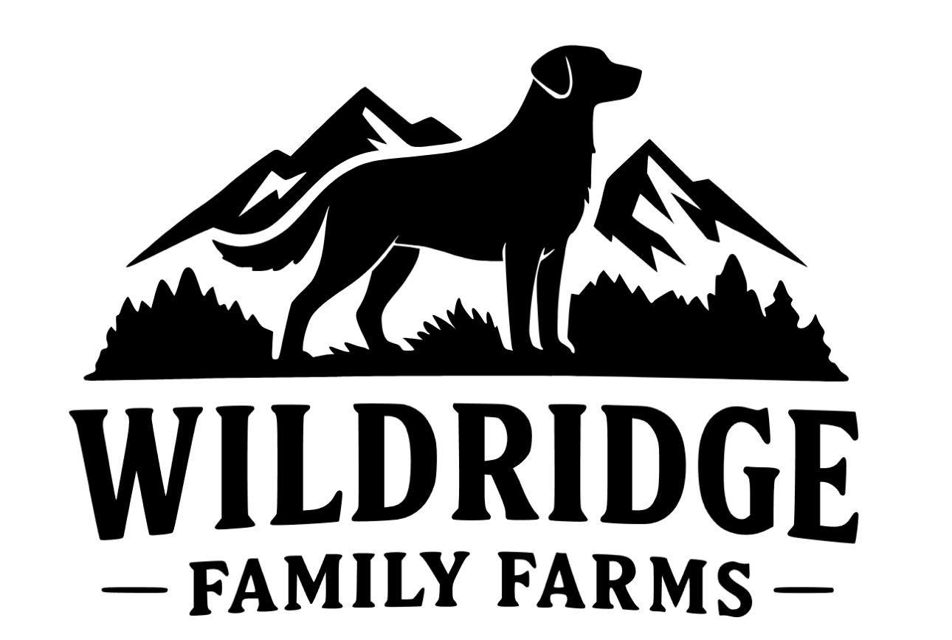

2026-03-16 | www.Wildridge.Pet
PART # | DESCRIPTION | QTY | UPC | SUGGESTED WHOLESALE | EXTENDED COST
WR01 | Wildridge 95% Beef Pate Dog Cans 12/12.5oz 16330 |  | 10860014163309 | $37.68 | $-
WR02 | Wildridge 95% Chicken Pate Dog Cans 12/12.5oz 16331 |  | 10860014163316 | $37.68 | $-
WR03 | Wildridge 95% Turkey Pate Dog Cans 12/12.5oz 16332 |  | 10860014163323 | $37.68 | $-
WR04 | Wildridge 95% Pork Pate Dog Cans 12/12.5oz 16333 |  | 10860014163330 | $37.68 | $-
 |  |  |  | Total: | $-

