Kenny's Price List
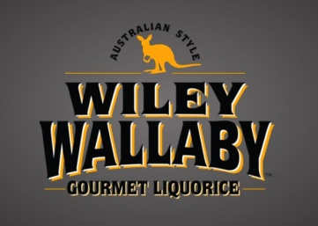

 | http://kennyscandy.com/
 | Effective April 6th, 2026
PART # | DESCRIPTION | QTY | UPC | SUGGESTED WHOLESALE | EXTENDED COST
KC20 | Wiley Wallaby Red Liquorice 12/7.05oz 20070 |  | 10022224200704 | $31.50 | $-
KC22 | Wiley Wallaby Black Liquorice 12/7.05oz 20071 |  | 10022224200711 | $31.50 | $-
KC24 | Wiley Wallaby Green Apple Liquorice 12/7.05oz 20072 |  | 10022224200728 | $31.50 | $-
KC26 | Wiley Wallaby Huckleberry Liquorice 12/7.05oz 20073 |  | 10022224200735 | $31.50 | $-
KC27 | Wiley Wallaby Hot Cinnamon 12/7.05oz 21193 |  | 10022224211939 | $31.50 | $-
KC51 | Wiley Wallaby Watermelon Licorice 12/7.05oz 20069 |  | 10022224200698 | $31.50 | $-
KC52 | Wiley Wallaby Blueberry Pomegranate Licorice 12/7.05oz 20076 |  | 10022224200766 | $31.50 | $-
KC53 | Wiley Wallaby Blasted Berry Licorice 12/7.05oz 21304 |  | 10022224213049 | $31.50 | $-
KC55 | Wiley Wallaby Sourrageous Drops 12/6oz 20649 |  | 10022224206492 | $42.00 | $-
KC56 | Wiley Wallaby Lemonade Licorice 12/7.05oz 21306 |  | 10022224213063 | $31.50 | $-
2026-03-16 |  |  |  | Total: | $-

