Swell Price List
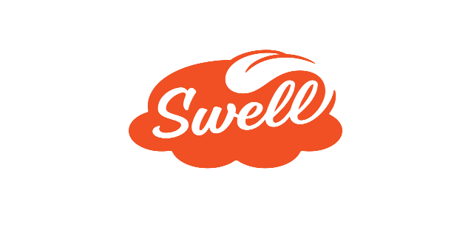

 | www.swellgelato.com
 | EFFECTIVE January 12th, 2026
PART # | DESCRIPTION | QTY | UPC | SUGGESTED WHOLESALE | EXTENDED COST
 | FROZEN GELATO
SW50 | Swell Banana Peanut Butter gelato 12/4.5oz 61266 |  | 40232612664 | $46.44 | $-
SW52 | Swell Pumpkin Cheddar gelato 12/4.5oz 61267 |  | 40232612671 | $46.44 | $-
SW54 | Swell Sweet Potato Molasses gelato 12/4.5oz 00399 |  | 40232003998 | $46.44 | $-
SW56 | Swell Its my barkday gelato 12/4.5oz 43977 |  | 40232439773 | $46.44 | $-
SW560 | Swell It's My Chill gelato 12/4.5oz 37260 |  | 51497372606 | $46.44 | $-
SW59 | Swell Free Sample Box 55983 |  | 40232559839 | $- | $-
 | FROZEN PUPCAKES
SW5600 | Swell Pumpkin Pupcake 6/2.5oz 47043 |  | 51497470432 | $25.14 | $-
SW5601 | Swell Pumpkin Pupcake Sample |  | - | $- | $-
SW5602 | Swell Sweet Potato Pupcake 6/2.5oz 49676 |  | 51497496760 | $25.14 | $-
 | FROZEN TOPPERS
SW561 | Swell Gourmet topper 3pk/4.5oz 27565 |  | 51497275655 | $9.80 | $-
SW5610 | Swell Honey Glazed Carrot Topper 8oz 37646 |  | 51497376468 | $5.66 | $-
SW5611 | Swell Veggie Topper 8oz 37647 |  | 51497376475 | $5.66 | $-
SW5612 | Swell Sweet Potato Topper 8oz 37648 |  | 51497376482 | $5.66 | $-
SW562 | Swell Gourmet Topper sample box |  |  | $- | $-
 | SEASONAL
SW57 | Swell Nog Spiced Pumpkin (Seasonal) 12/4.5oz 68051 |  | 40232680519 | $46.44 | $-
2026-01-15 |  |  |  | Total: | $-

