California Dog Kitchen Pricing
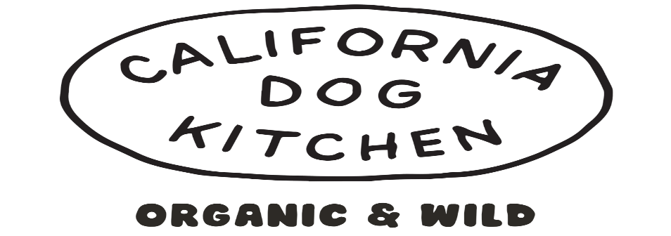

 | https://www.californiadogkitchen.com
 | EFFECTIVE NOVEMBER 03, 2025
PART # | FROZEN GENTLY COOKED | QTY | UPC | SUGGESTED WHOLESALE | EXTENDED COST
CDK01 | California Dog Kitchen Chicken & Rice 1lb 00164 |  | 766429001645 | $7.35 | $-
CDK02 | California Dog Kitchen Chicken & Rice 4lb 00170 |  | 766429001706 | $28.00 | $-
CDK03 | California Dog Kitchen GF Turkey 1lb 00167 |  | 766429001676 | $8.23 | $-
CDK04 | California Dog Kitchen GF Turkey 4lb 00172 |  | 766429001720 | $30.80 | $-
CDK05 | California Dog Kitchen Beef & Quinoa 1lb 00166 |  | 766429001669 | $8.23 | $-
CDK06 | California Dog Kitchen Beef & Quinoa 4lb 00171 |  | 766429001713 | $30.80 | $-
CDK07 | California Dog Kitchen Wild Caught GF Fish 1lb 00168 |  | 766429001683 | $9.10 | $-
CDK08 | California Dog Kitchen Wild Caught GF Fish 4lb 03830 |  | 769293038304 | $35.00 | $-
CDK09 | California Dog Kitchen Wild Venison & Zucchini 1lb 00169 |  | 766429001690 | $11.55 | $-
CDK10 | California Dog Kitchen Wild Venison & Zucchini 4lb 03829 |  | 769293038298 | $46.20 | $-
CDK11 | California Dog Kitchen Wild Boar & Quinoa 1lb 20266 |  | 766429202665 | $10.15 | $-
CDK12 | California Dog Kitchen Wild Boar & Quinoa 4lb 20266 |  | 766429202660 | $39.20 | $-
CDK16 | California Dog Kitchen Lamb & Squash 4lb 55980 |  | 671891559801 | $46.20 | $-
CDK99 | California Dog Kitchen Sample Cups 15ct |  |  | $- | $-
2025-11-17 |  |  |  | Total: | $-

