Bellyrubs
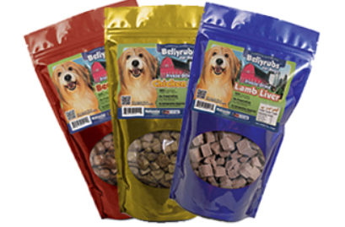

PART # | DESCRIPTIONS | QTY | UPC | SUGGESTED WHOLESALE | EXTENDED COST
SC051 | Bellyrubs FD Chicken Breast 4oz 99507 |  | 648499995072 | $10.23 | $-
SC052 | Bellyrubs FD Chicken Breast 12oz 85926 |  | 645905859263 | $22.51 | $-
SC06 | Bellyrubs Liver Treats Beef 5oz 00012 |  | 890039000122 | $10.45 | $-
SC07 | Bellyrubs Liver Treats Beef 14oz 00013 |  | 890039000139 | $22.27 | $-
SC08 | Bellyrubs Liver Treats Lamb 5oz 00016 |  | 890039000160 | $10.92 | $-
SC09 | Bellyrubs Liver Treats Lamb 14oz 00019 |  | 890039000191 | $24.72 | $-
SC091 | Bellyrubs Salmon Treats 5oz 00082 |  | 890039000825 | $11.49 | $-
SC092 | Bellyrubs Salmon Treats 12oz 63471 |  | 685450634717 | $24.68 | $-
SC10 | Bellyrubs Bonita Tuna Flakes 1.5oz 78744 |  | 643380787446 | $5.79 | $-
SC11 | Bellyrubs Bonita Tuna Flakes 4.25oz 78745 |  | 643380787453 | $13.16 | $-
SC14 | Bellyrubs Chicken Strips 10oz 19920 |  | 651402519920 | $14.88 | $-
SC141 | Bellyrubs Chicken Strips 20oz 19937 |  | 651402519937 | $27.15 | $-
SC34 | Bellyrubs Duck Filets 10oz 05405 |  | 708325054059 | $11.43 | $-
SC35 | Bellyrubs Duck Filets 20oz 05404 |  | 708325054042 | $22.08 | $-

