Answers Pricing 05122025
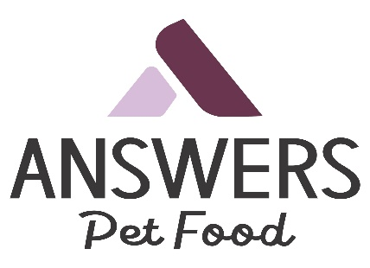

 | EFFECTIVE January 8, 2024
 | https://www.answerspetfood.com/
PART # | DETAILED PATTIES DOG | QTY | UPC | SUGGESTED WHOLESALE | EXTENDED COST
AW02 | Answers Detailed Beef Patties Dog 4lb 00213 |  | 856554002133 | $27.65 | $-
AW12 | Answers Detailed Beef Nibbles Dog 2.2lb 00219 |  | 856554002195 | $17.22 | $-
AW61 | Answers Raw Goats Milk Pint 16oz 00222 |  | 856554002225 | $4.89 | $-
AW62 | Answers Raw Goats Milk Quart 32oz 00225 |  | 856554002256 | $7.93 | $-
AW63 | Answers Raw Goat's Milk Half Gallon 64oz 00269 |  | 856554002690 | $14.26 | $-
AW81 | Answers Organic Raw Cow Milk Kefir Quart 32oz 34241 |  | 850003342412 | $7.65 | $-
AW82 | Answers Organic Raw Cow Milk Kefir Pint 16oz 34245 |  | 850003342450 | $4.36 | $-
AW83 | Answers Organic Raw Cow Milk Kefir Half Gallon 64oz 34246 |  | 850003342016 | $13.75 | $-
AW84 | Answers Raw Cow Milk with Pumpkin Quart 32oz 34248 |  | 850003342481 | $5.58 | $-
AW88 | Answers Duck Eggs 4ct 34226 |  | 850003342443 | $5.39 | $-
AW91 | Answers Good Energy Raw Goat Cheese Bites Ginger 8oz 00257 |  | 856554002577 | $10.79 | $-
AW93 | Answers Good Energy Raw Goat Cheese Bites Turmeric 8oz 00293 |  | 856554002935 | $10.79 | $-
AW95 | Answers Good Energy Raw Goat Cheese Treat Blueberries 8oz 00259 |  | 856554002591 | $10.79 | $-
AW96 | Answers Good Energy Raw Goat Cheese Treat Cranberries 8oz 00260 |  | 856554002607 | $10.46 | $-
AW961 | Answers Rewards Raw Goat Cheese Bites Organic Mushrooms 8oz 34247 |  | 850003342474 | $10.79 | $-
May 12, 2025 4:02:23 PM MST |  |  |  |  | $-

