Wild Coast Raw Pricing 07102025
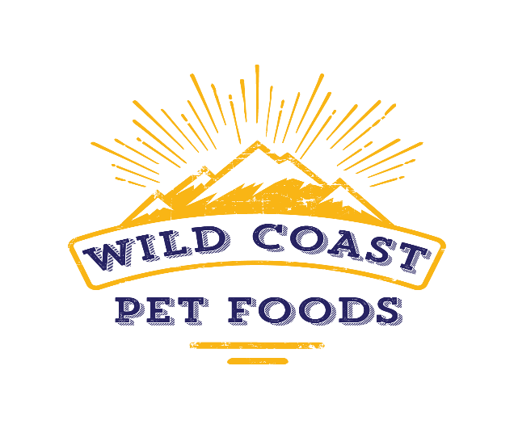

 | https://wildcoastpets.com
 | PRICING EFFECTIVE JULY 10, 2025
PART # | DESCRIPTION | QTY | UPC | SUGGESTED WHOLESALE | EXTENDED COST
WC001 | Wild Coast Cat Beef 16oz 00027 |  | 866022000271 | $8.36 | $-
WC004 | Wild Coast Cat Chicken 16oz 00022 |  | 866022000226 | $8.36 | $-
WC005 | Wild Coast Cat Chicken 24oz 25627 |  | 860001256277 | $11.29 | $-
WC007 | Wild Coast Cat Rabbit with Pork 16oz 00021 |  | 866022000219 | $8.36 | $-
WC008 | Wild Coast Cat Rabbit with Pork 24oz 07947 |  | 196852079476 | $11.29 | $-
WC010 | Wild Coast Cat Turkey 16oz 00023 |  | 866022000233 | $8.36 | $-
WC011 | Wild Coast Cat Turkey 24oz 25628 |  | 860001256284 | $11.29 | $-
WC101 | Wild Coast Dog Beef Meatballs 3lb 00024 |  | 866022000240 | $19.29 | $-
WC102 | Wild Coast Dog Beef Patties 6lb 25623 |  | 860001256239 | $29.57 | $-
WC103 | Wild Coast Dog Beef BULK Patties 18lb 25626 |  | 860001256260 | $78.91 | $-
WC105 | Wild Coast Dog Duck Meatballs 3lb 12436 |  | 197644124367 | $19.29 | $-
WC106 | Wild Coast Dog Duck Patties 6lb 42256 |  | 195893422562 | $29.57 | $-
WC107 | Wild Coast Dog Duck BULK Patties 18lb 94378 |  | 195893943784 | $78.91 | $-
WC110 | Wild Coast Dog Turkey Meatballs 3lb 00025 |  | 866022000257 | $19.29 | $-
WC111 | Wild Coast Dog Turkey Patties 6lb 00029 |  | 866022000295 | $29.57 | $-
WC112 | Wild Coast Dog Turkey BULK Patties 18lb 25625 |  | 860001256253 | $78.91 | $-
WC115 | Wild Coast Dog Rabbit with Pork Meatballs 3lb 76594 |  | 196852765942 | $21.84 | $-
WC116 | Wild Coast Dog Rabbit with Pork Patties 6lb 86127 |  | 196852861279 | $34.28 | $-
WC117 | Wild Coast Dog Rabbit with Pork BULK Patties 18lb 40435 |  | 196852404353 | $90.00 | $-
July 10, 2025 2:42:17 PM MST |  |  |  |  | $-

